Seed Funding Grant Budget
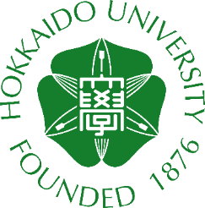 | HU-UMA Joint Research Seed Fund 2026 Budget

PI Name |  |  | Affiliation
Purpose | HU-UMA Joint Research Seed Fund, provided by Hokkaido University and University of Massachusetts Amherst
Email Address
If Traveling: Trip Description
Destination
Travel Dates: |  | to |  | Total Budget Request: | $-
Cost Estimates:
Add additional rows before "TOTAL" below as needed.
Description | Amount | Explanation / Additional Information

TOTAL: | $-

General reminders:
Budget request cannot exceed $8000. Grants cannot be used for salaries or equipment
All budget amounts are understood to be the best of your ability at time of request.
Funds will expire on 31/3/2027 for the Hokkaido University side, and this cannot be extended.

If your budget includes international travel:
Information for Faculty & Staff Traveling Abroad
Complete the Travel Registry process for your trip!
Further infromation available here.

